Sheet1
2008 Toyota Rav4 Sport 2.4
TEST, TUNE-UP AND MAINTENANCE/OIL
Your Vehicle: 2008 Toyota Truck RAV4 2WD L4-2.4L (2AZ-FE)

 | Vehicle » Maintenance » Fluids » Fluid - A/T » Service and Repair

 | Service and Repair

U241E AUTOMATIC TRANSAXLE: AUTOMATIC TRANSAXLE FLUID: ON-VEHICLE INSPECTION

ON-VEHICLE INSPECTION

1. CHECK TRANSAXLE FLUID LEVEL HINT: Drive the vehicle so that the engine and transaxle are at normal operating temperature.

Fluid temperature:
70 to 80°C (158 to 176°F)

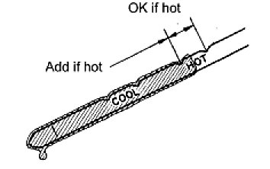

(a) | Park the vehicle on a level surface and set the parking brake.
(b) | With the engine idling and the brake pedal depressed, move the shift lever to each position from P to L position, and return it to the P position.
(c) | Take out the ATF dipstick and wipe it clean.
(d) | Fully push the dipstick back into the pipe.
(e) | Take it out and check that the fluid level is at the HOT position.
 | If there are leaks, it is necessary to repair or replace O-rings, FIPGs, oil seals, plugs and/or other parts.

